Feuil1
Sation ht =1,65 |  | E (m) | N (m) |  | Z | Dh (m) | Angle (gon)
A |  | 861065.272 | 6440887.268 |  | 168.143
B |  | 861309.797 | 6441227.586 |  | - | 419.054 | 179.1406
C |  | 860330.327 | 6440770.141 |  | - | 744.236 | 29.4143
D |  | 861326.474 | 6440700.750 |  | - | 320.966 | 278.9540

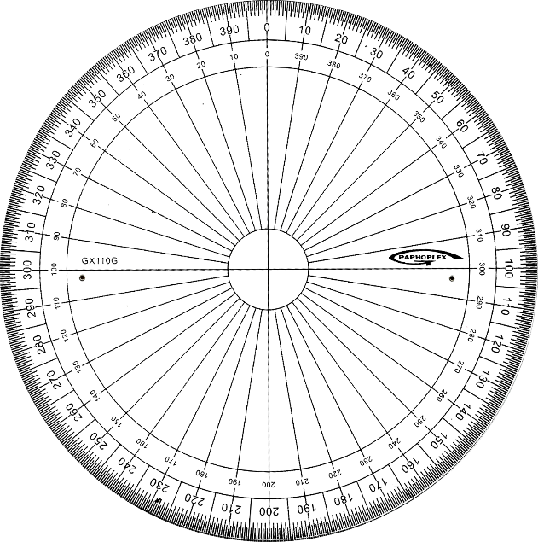
GIS 0 : |  | Dx | Dy |  |  | Dist | e dist (mm) | Gis (gon) | G = g | G = 200-g | G = 200+g | G = 400-g | G A-> pt | G0 i | filtre | G0 moy
>> B |  | 244.525 | 340.318 |  |  | 419.057 | 3.2 | 39.664 | TRUE | FALSE | FALSE | FALSE | 39.664 | -139.4762 | 260.524 | 260.5241
>> C |  | -734.945 | -117.127 |  |  | 744.220 | -15.7 | 89.939 | FALSE | FALSE | TRUE | FALSE | 289.939 | 260.5246 | 260.525
>> D |  | 261.202 | -186.518 |  |  | 320.960 | -5.7 | -60.523 | FALSE | TRUE | FALSE | FALSE | 139.477 | -139.4765 | 260.523
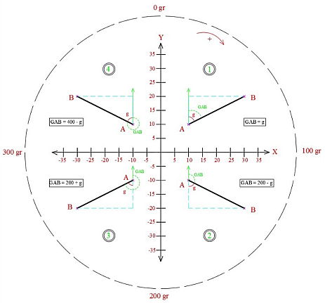

Carnet de terrain | Dp | Lecture Hz | V | hp
1 | 31.851754168 | 163.866 | 96.527 | 1.300
2 | 32.874091319 | 162.347 | 95.016 | 1.300
3 | 33.108945092 | 161.482 | 94.679 | 1.300
4 | 34.722032123 | 161.485 | 92.464 | 1.300
5 | 35.442936791 | 161.132 | 91.525 | 1.300
6 | 32.868844627 | 169.726 | 95.023 | 1.300
7 | 33.751192534 | 167.146 | 93.777 | 1.300
8 | 34.415566671 | 166.842 | 92.872 | 1.300
9 | 36.269225266 | 166.616 | 90.485 | 1.300
10 | 36.885809061 | 166.338 | 89.733 | 1.300
11 | 35.116473016 | 173.699 | 91.947 | 1.300
12 | 35.35032251 | 172.131 | 91.644 | 1.300
13 | 36.08567298 | 172.311 | 90.713 | 1.300
14 | 37.85816063 | 170.570 | 88.585 | 1.300
15 | 39.238949859 | 170.433 | 87.030 | 1.300
16 | 34.725890659 | 172.667 | 92.459 | 1.300
17 | 36.794843008 | 177.160 | 89.843 | 1.300
18 | 38.763061227 | 176.456 | 87.556 | 1.300
19 | 38.998232012 | 175.400 | 87.295 | 1.300
20 | 40.519450937 | 173.670 | 85.662 | 1.300

